240mL
Bum Bum Beats INTL FILL AND ASSEMBLY SPECIFICATION

Specification #:
Specification Status: |  |  | Development
Brand: |  |  | Sol De Janeiro
Description: |  |  | Bum Bum Beats INTL
Project #: |  |  | SJ08231203
Assem./Filling Location:

 | Finish Good Item #: |  | Flavor / Shade
 | SJ08231203 |  | Bum Bum Beats INTL

 | Revision# | Date |  | Issued by |  | Reason of Change
 | FIRST ISSUE | 2022-03-25 |  | CL
 | 1 | 2022-06-22 |  | CL |  | Removed top pad and add WIP codes

 | Component Item #: | Component Description |  |  |  |  | Flavor / Shade | Usage | UOM
x | SJ06210202 | Brazilian Bum Bum Cream 240ml Lilial Free, WIP |  |  |  |  |  | 1 | EA
x | SJ99201011 | Cheirosa '62 Body Mist 90ml EU Variant Lilial Update |  |  |  |  |  | 1 | EA
x | SJ06210000 | WIP, 4Play 90ml Lilial-Free Update (NO UPC) |  |  |  |  |  | 1 | EA
x | SJ06130100 | Bum Bum Scrub 75g |  |  |  |  |  | 1 | EA
x | D0131000 | Set Box, Bum Bum Beats |  |  |  |  |  | 1 | EA
x | G0221000 | Insert, Bum Bum Beats |  |  |  |  |  | 1 | EA
x | G0222000 | Sleeve, Bum Bum Beats |  |  |  |  |  | 1 | EA
x | E0225000 | UPC Overlabel, Bum Bum Beats INTL Only |  |  |  |  |  | 1 | EA
x | J0058000 | Shipper, Bum Bum Beats |  |  |  |  |  | 0.167 | EA
x | Make and Fill | Make and Fill |  |  |  |  |  | 1
 |  |  | Minimum |  | Target |  | Maximum | UOM
 | Legal Fill (Grams / ML) |  | N/A |  | N/A |  | N/A | ml
 | Initial Removal Torque of Cap |  | N/A |  | N/A |  | N/A | in-lbs

Fill and Assembly Instructions:
1 | Folding Carton will be shipped flat. Molded pulp tray to be shipped separate. *Please note incoming shipper labels and associated codes*
2 | Place WIPs into molded pulp ray. Ensure the molded pulp tray supports.flaps are upright (and not folded in) - to ensure proper support once placed into the folding carton Photo to the right is for reference. Mist is incorrectly oriented in photo. Please note the below orientation requirements: a. 4play Body Was 90ml - Left WIP - please ensure product is placed with product name/deco on the bottle facing up so that it is legible when the consumer opens the box b. Bum Bum Scrub 75g - Top Middle WIP - please ensure product is placed with product name/deco on the cap facing up so that it is legible when the consumer opens the box c. Brazilian Bum Bum Cream 240mL - Middle Bottom WIP - please ensure product is placed with product name/deco on the cap facing up so that it is legible when the consumer opens the box d. Cheirosa '62 Body Mist 90mL WIP - Right WIP - please ensure product is placed with product name/deco on the bottle facing up so that it is legible when the consumer opens the box. Embossed portion of the cap should also be facing up to align with deco. |  |  |  |  |  |  |  |  | 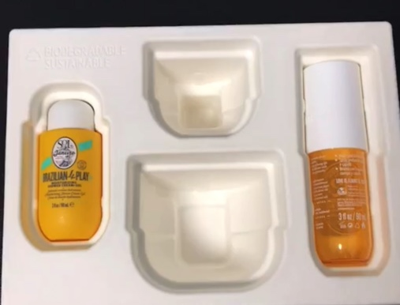
3 | Place filled molded pulp tray into the folding carton, ensure base of WIPs in tray are aligned with base of WIPs in the image on the front of the folding carton.
4 | Close right folding carton flap.
5 | Place UPC sticker on the bottom of the carton completely covering the printed UPC. |  |  |  |  |  |  |  |  | 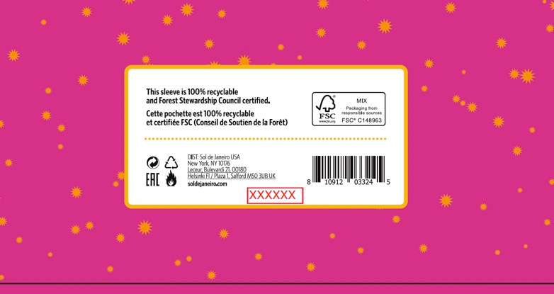
6 | Inkjet fill code on the bottom of the sleeve. In the below format: J (Alphanumeric) = Julian Date B (Letter) = First bulk filled on specific day by alphabetical sequence Example: 20042A J = 11 – Feb – 2020 A = 1st Batch Filled |  |  |  |  |  |  |  |  | 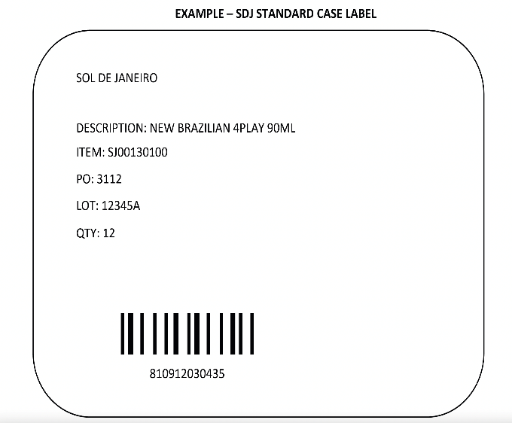
7 | Place in shipper x6
9 | Close shipper and secure with tape per the General Specifications. Apply Master Case Label - Example label to right.

General Specification:
1 | It's Filler (or Assembly house's) responsibility to issue all specifications to any third party involved and make sure they are followed.
2 | Fill Code must be clearly legible on primary package.
3 | Fill code must be printed or debossed on the bottom major flap of each folding carton.
4 | All Packer and Shipper must be marked with Full product description, Size, Finish good#, and Quantity per Packer / Shipper.
5 | All major flaps of master shipper be secure with tape.
6 | Pallet Height not to exceed 55" (measured from the floor)

